Request
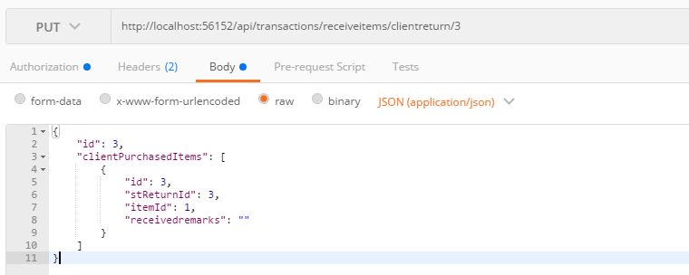
Parameter | Data Type | Length | Required | Unique | Remarks
Token | String |  | Yes |  | Bearer Token see AuthenticateAPI docu
Id | Int |  | Yes |  | STReturn.Id
ClientPurchasedItems | Array |  | Yes
Id | Int |  | Yes |  | STClientReturn.Id
STReturnId | Int |  | Yes |  | STClientReturn.STReturnId
ItemId | Int |  | Yes |  | STClientReturn.ItemId
ReceivedRemarks | String

Example

